Sheet1
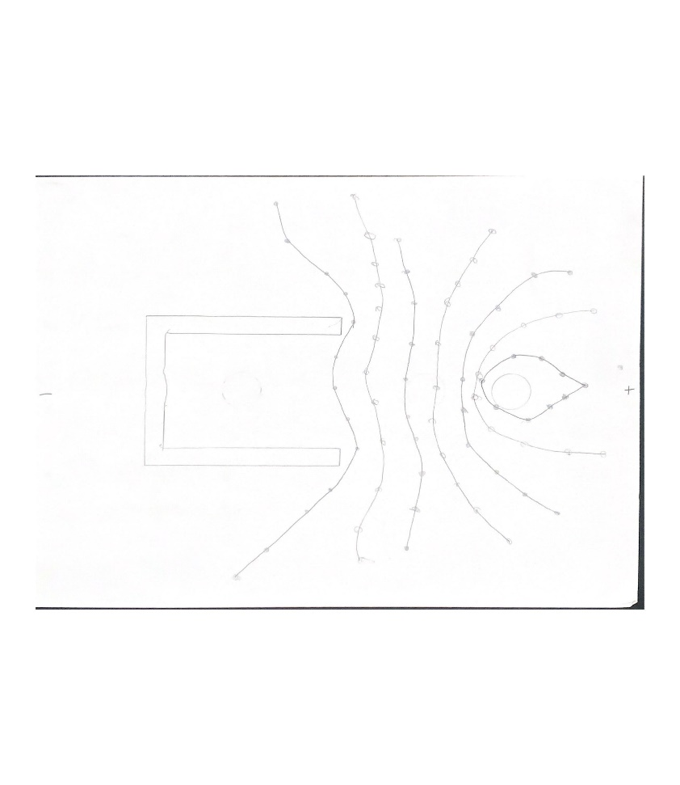
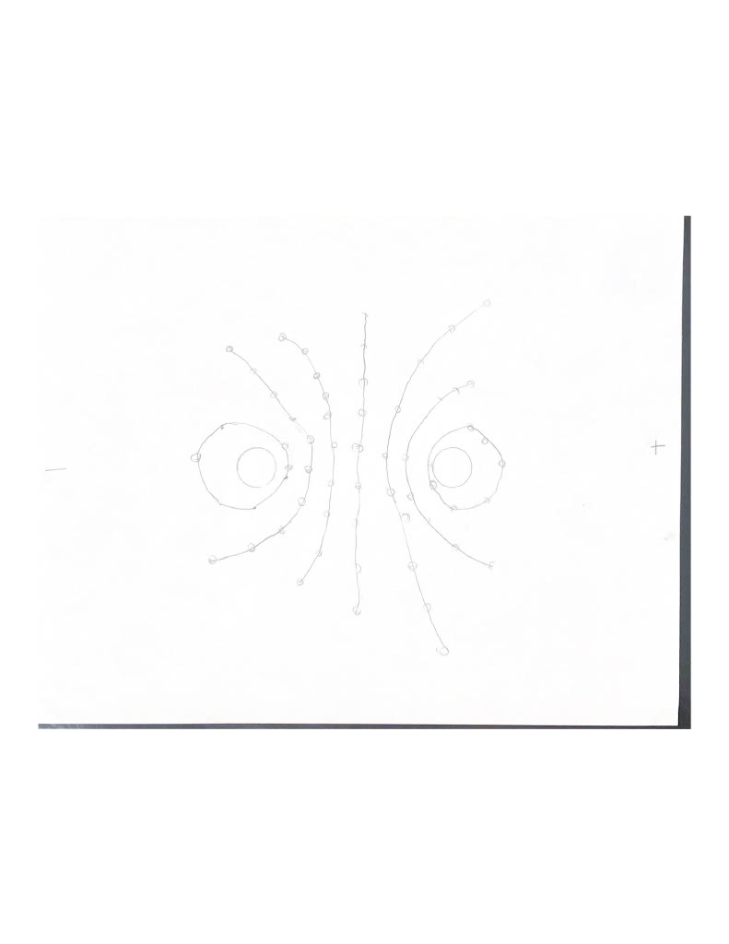
Equipotential Plotting and the Electric Field
Remember to scan or photo the 3 configurations and include in report.

Part 1. | Determination of the Dipole Moment

a. | Potential Difference between Electrodes | 2
b. | Distance between Electrodes (inside-inside) | 0.07 | m
c. | Distance between Electrodes (center-center) | 0.085 | m
d. | Electric Field Strength | 28.571428571 | N/C
e. | Dipole Moment P | 1.3623516542E-13 | C-m
f. | Amount of Charge, q, on Electrode | 1.602766652E-12 | C

Part 2. | Determine the Electric Field Strength midway between two plates

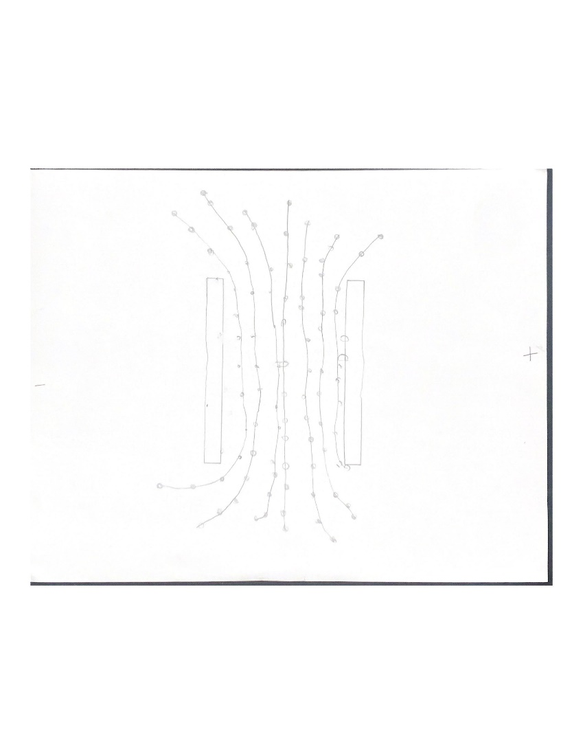
 | Distance between the two plates | 0.065 | m
 | Potential Difference between plates | 2
 | Electric Field Strength | 30.769230769 | N/C

